Sheet1
Case ID# | Test scenarios for : | Precondition | Org/Mkey | Step | Test Case Description | Expected Results | Actual Results | Outcome Pass/Fail | Retest Outcome Pass/Fail | Release # | Retest Release # | Test Type | Date Tested | Retest Date | Tested By | Retested By | Test Link | JIRA Ticket # | Comments
E16.20 | E16.20 - Process 2 lump sum requests the same day | Find a VPB member with an account balance that is active and has a Penweb account | 1215094 | 1 | Process a payment through DC Benefit Selection for a partial amount of their account balance | Able to process payment | Able to process payment | Pass |  | 24.2 |  | Functional | 15-Oct-20 |  | Jason Collings
 |  |  |  | 2 | Do not run the PIT batch yet | Did not run PIT batch | Did not run PIT batch | Pass |  | 24.2 |  | Functional | 15-Oct-20 |  | Jason Collings
 |  |  |  | 3 | Process a payment through Penweb for a partial amount of their account balance | Able to process payment | Able to process payment | Pass |  | 24.2 |  | Functional | 15-Oct-20 |  | Jason Collings
 |  |  |  | 4 | Verify that the first payment becomes cancelled as a result of the second payment | First payment gets cancelled as a result of the second payment | First payment gets cancelled as a result of the second payment | Pass |  | 24.2 |  | Functional | 15-Oct-20 |  | Jason Collings
 |  | Find a VPB member with an account balance that is active and has a Penweb account | 1829506 | 5 | Process a payment through Penweb for a partial amount of their account balance | Able to process payment | Able to process payment | Pass |  | 24.2 |  | Functional | 15-Oct-20 |  | Jason Collings
 |  |  |  | 6 | Do not run the PIT batch yet | Did not run PIT batch | Did not run PIT batch | Pass |  | 24.2 |  | Functional | 15-Oct-20 |  | Jason Collings
 |  |  |  | 7 | Process a second payment through Penweb for a partial amount of their account balance | Able to process payment | Able to process payment | Pass |  | 24.2 |  | Functional | 15-Oct-20 |  | Jason Collings
 |  |  |  | 8 | Verify that the first payment becomes cancelled as a result of the second payment | First payment gets cancelled as a result of the second payment | First payment gets cancelled as a result of the second payment | Pass |  | 24.2 |  | Functional | 15-Oct-20 |  | Jason Collings
 |  | Find a VPB member with an account balance | 1215094 | 9 | Process a payment through DC Benefit Selection for a partial amount of their account balance | Able to process payment | Able to process payment | Pass |  | 24.2 |  | Functional | 15-Oct-20 |  | Jason Collings
 |  |  |  | 10 | Do not run the PIT batch yet | Did not run PIT batch | Did not run PIT batch | Pass |  | 24.2 |  | Functional | 15-Oct-20 |  | Jason Collings
 |  |  |  | 11 | Process a second payment through DC Benefit Selection for a partial amount of their account balance | Able to process payment | Able to process payment | Pass |  | 24.2 |  | Functional | 15-Oct-20 |  | Jason Collings
 |  |  |  | 12 | Verify that the first payment becomes cancelled as a result of the second payment | First payment gets cancelled as a result of the second payment | First payment gets cancelled as a result of the second payment | Pass |  | 24.2 |  | Functional | 15-Oct-20 |  | Jason Collings

Step 1

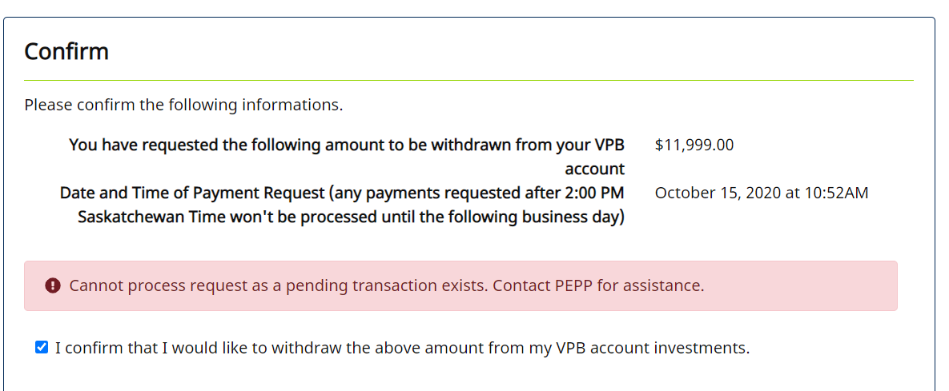
Step 3-4

Steps 9-12

Step 5

Step 7
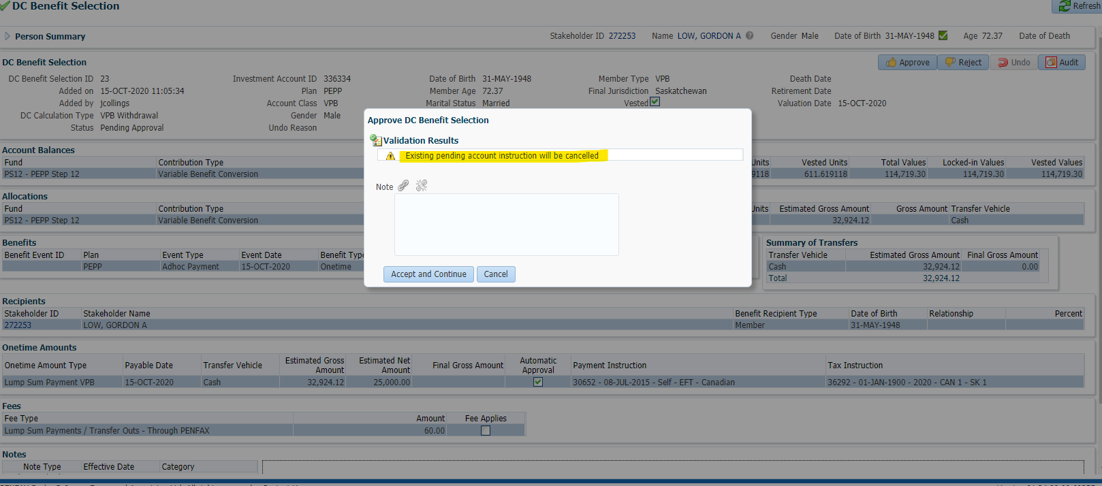

Step 8

